charts
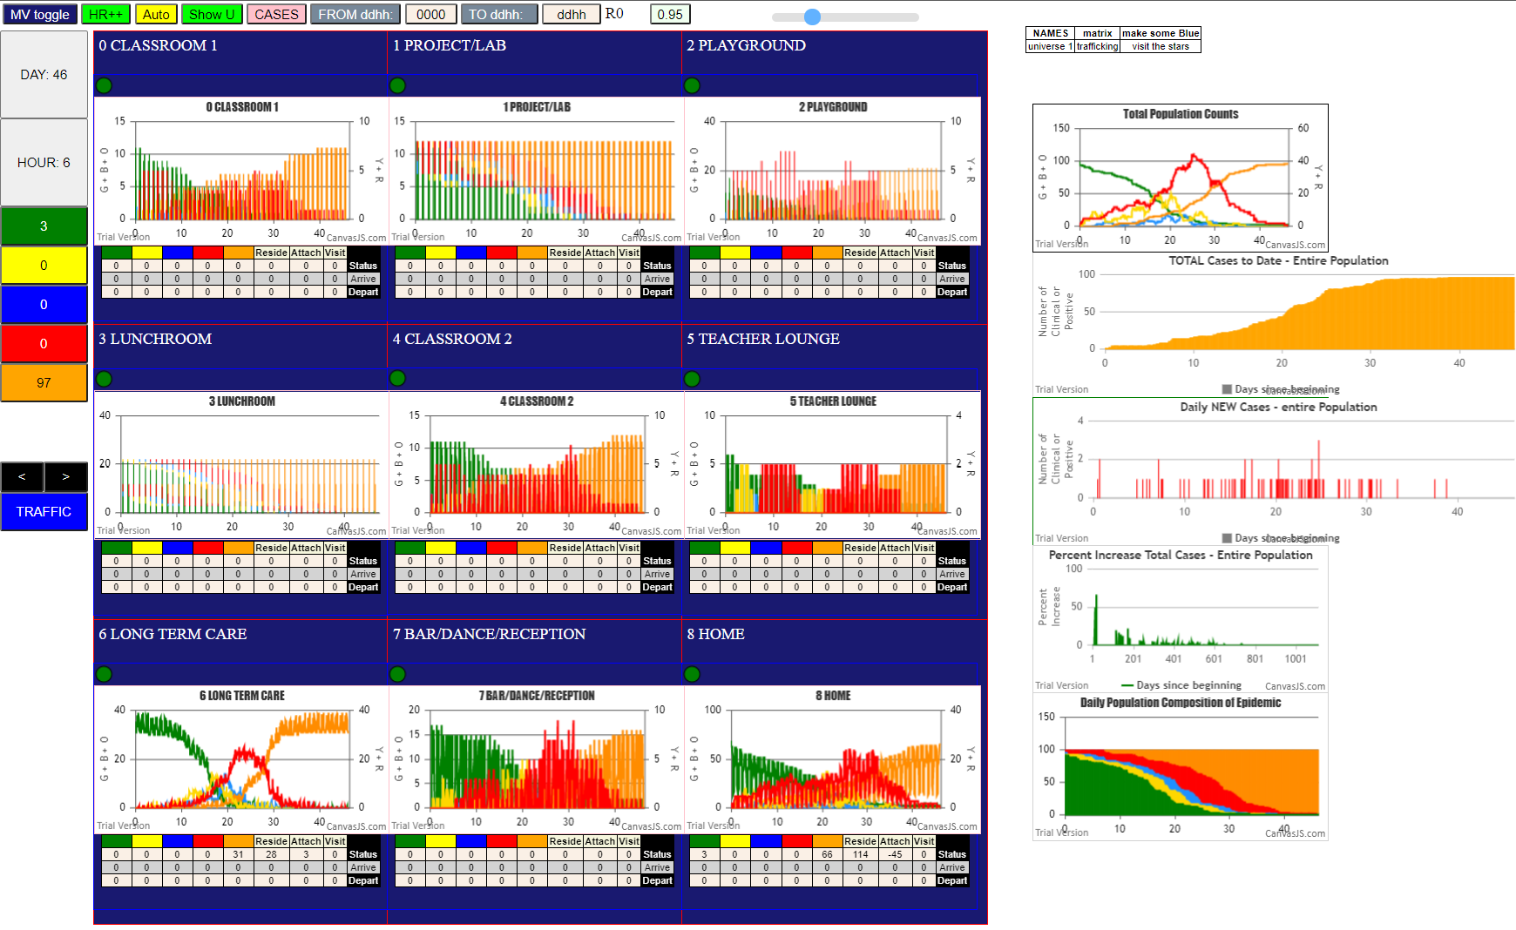

mF LTC | 1
U7 | 50 | two peaks in U8 HOME at D27 and D31
u* | 50 | note - schools much more infected because HOME all infected but 3

